Instructions
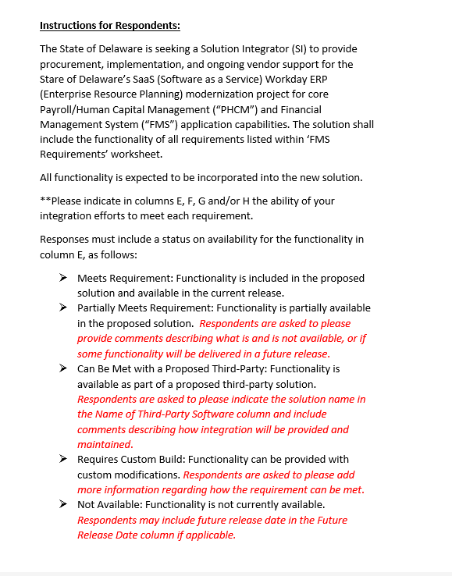
FINANCIAL MANAGEMENT SYSTEM
APPENDIX B1 - FMS - FINANCIAL MANAGEMENT SYSTEM BUSINESS REQUIREMENTS INSTRUCTIONS

